Description Tab
Bug Sr No# | Step to Reproduce |  | ScreenShots
1 | Open https://academybugs.com Click the Find Bugs link on the navigation bar Click on the buttons to show a certain number of results at the top left |  | 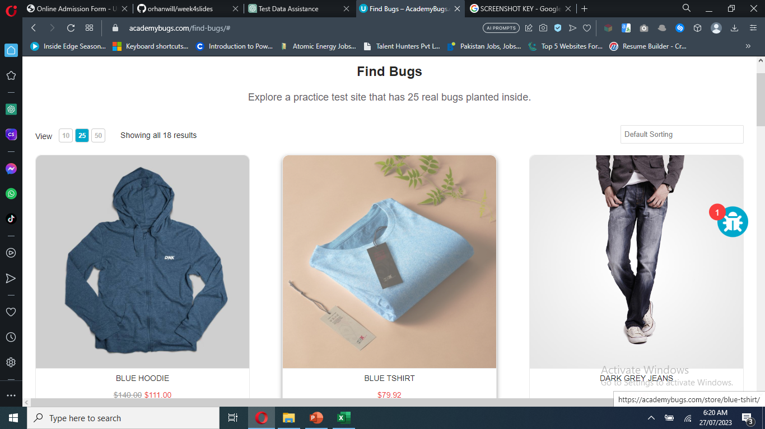
2 | Open https://academybugs.com Open a product Change the currency in the right side menu Fill in the form and click "Send" |  | 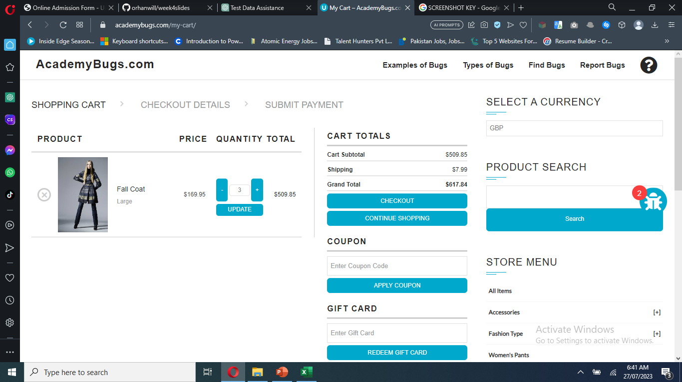
3 | Open https://academybugs.com Click the Find Bugs link on the navigation bar Open a product On the right side menu find the Filter by Price section Select any of the price ranges Also open any item from the right side Store Menu and select the price ranges on the right side menu | 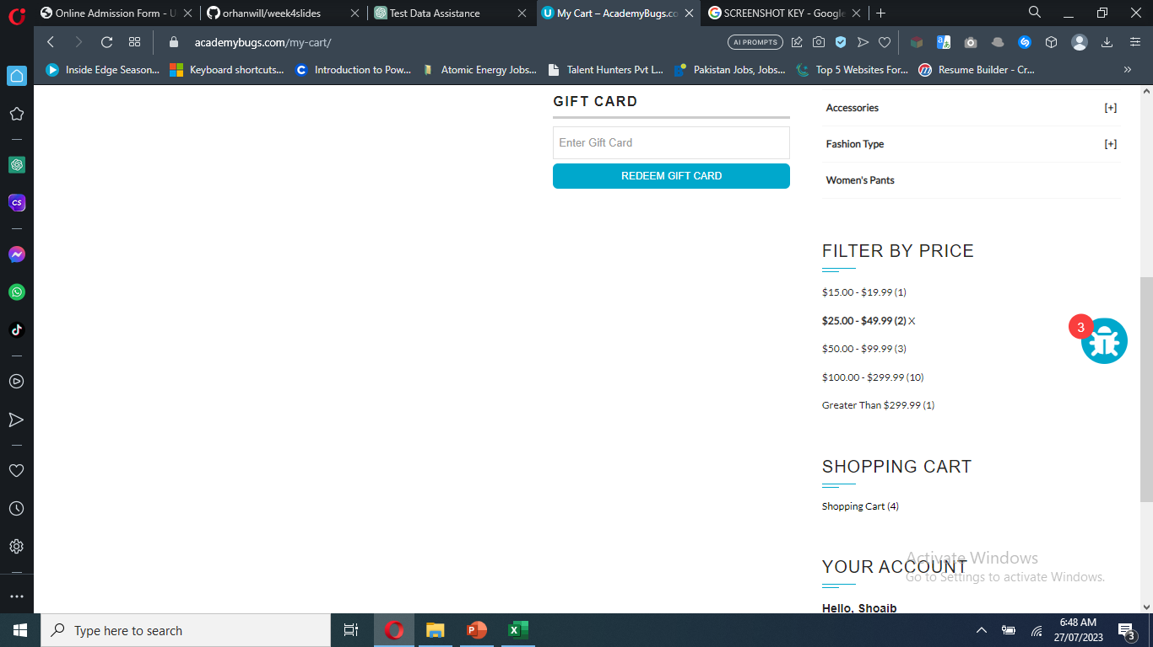
4 | Open https://academybugs.com Click the Find Bugs link on the navigation bar Open a product and then see the description | 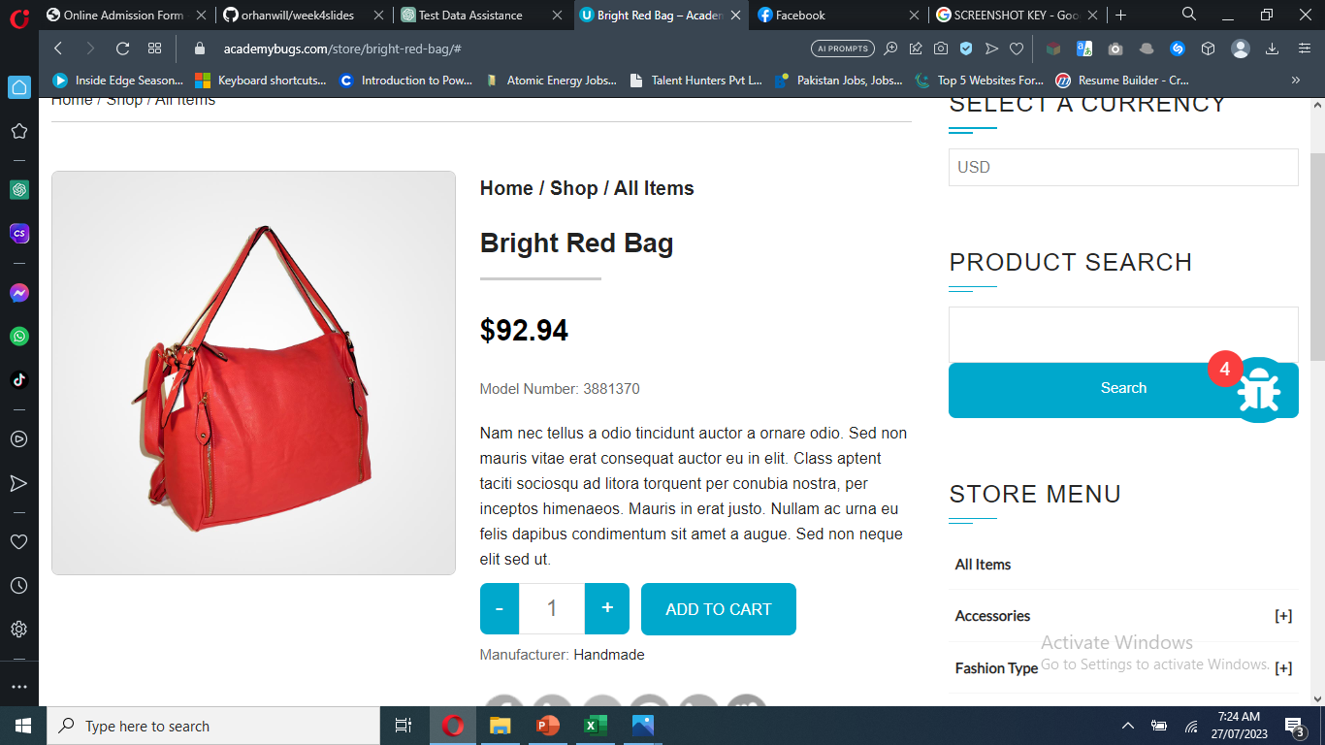
5 | Open https://academybugs.com Click the Find Bugs link on the navigation bar Add one or more products to the cart Click the "View cart" link on top of the page Set the products quantity to 3 or more Click "update" below |  | 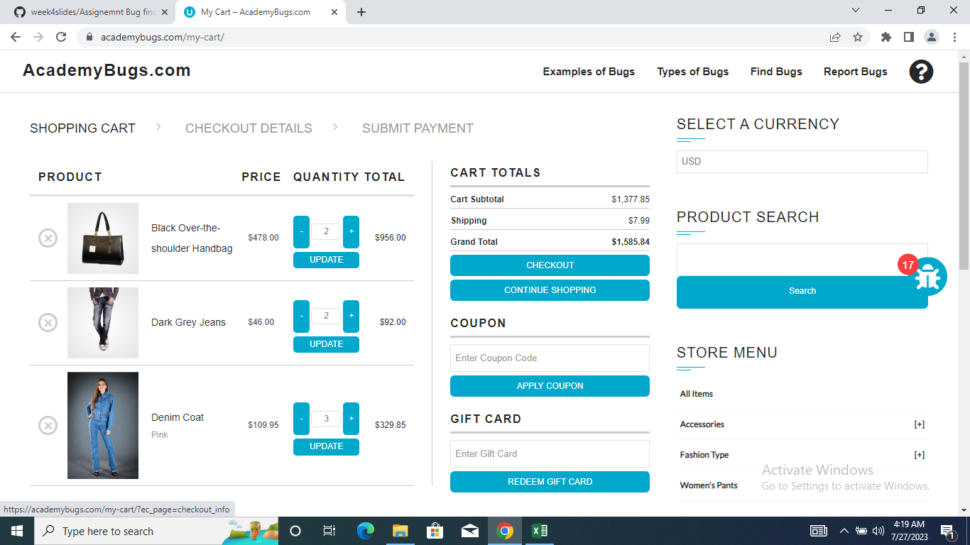
6 | Open https://academybugs.com Click the Find Bugs link on the navigation bar Open a product Scroll to the bottom and find the sign in form in the right side menu Enter any login and password that are not registered and click "Sign In" | 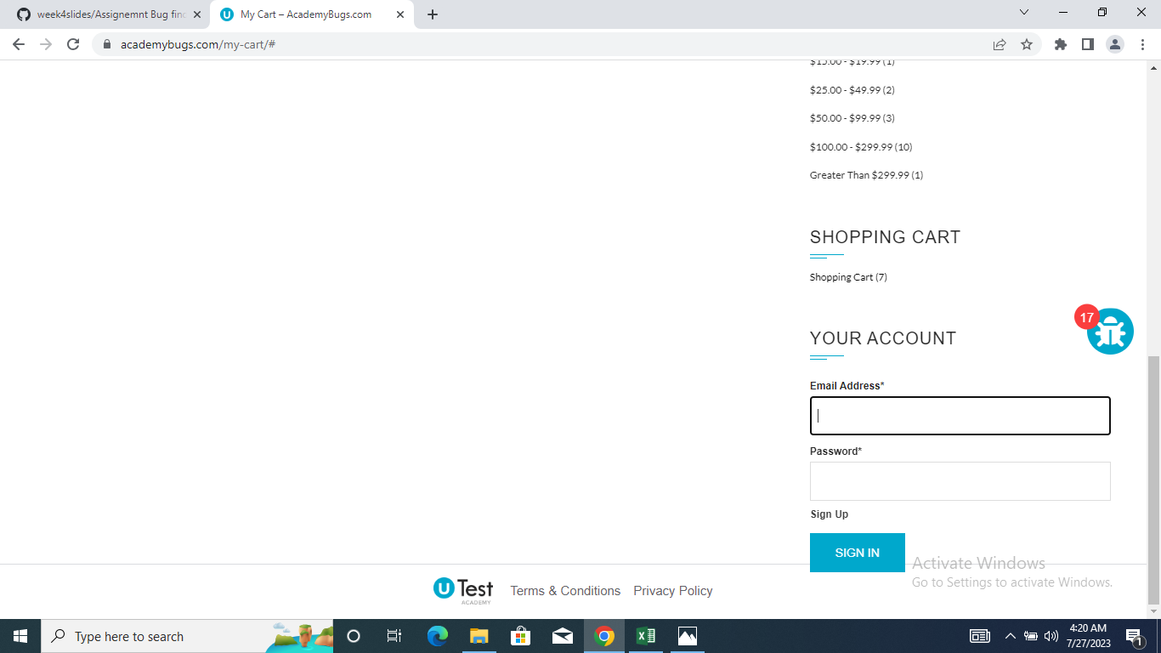
7 | Open https://academybugs.com Click the Find Bugs link on the navigation bar Open a product Scroll to the bottom and find the sign in form in the right side menu Enter any login and password that are not registered and click "Sign In"
8 | Open https://academybugs.com Click the Find Bugs link on the navigation bar Add one or more products to the cart Click "View Cart" on top of the page Scroll down to the Shopping Cart section of the right side menu Hover over the Shopping Cart caption | 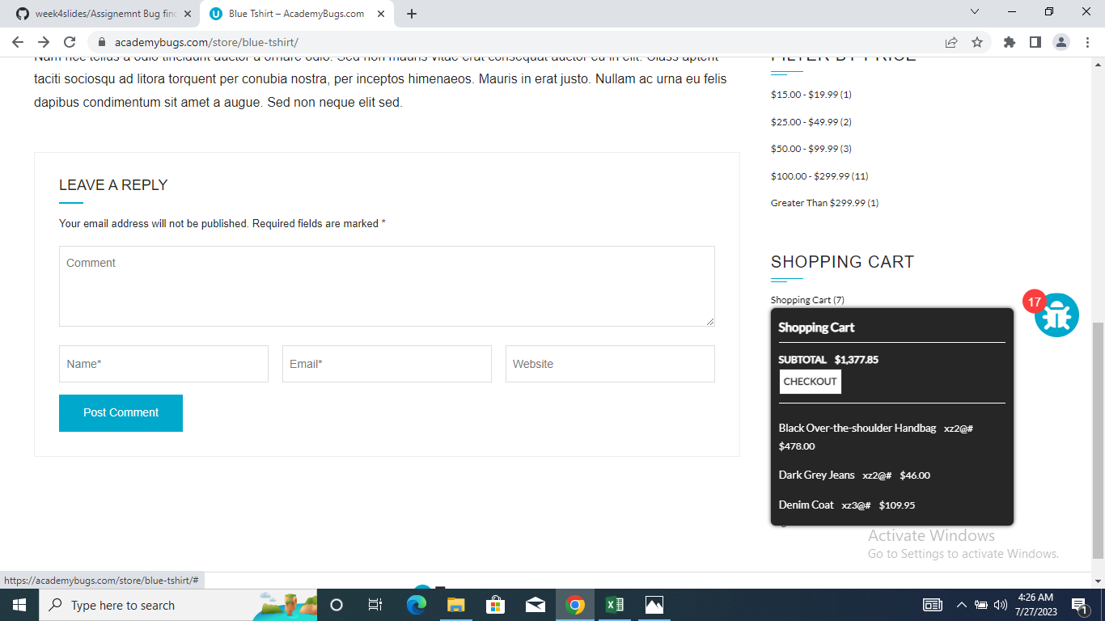
9 | Open https://academybugs.com Click the Find Bugs link on the navigation bar Open a product Click the twitter share button |  | 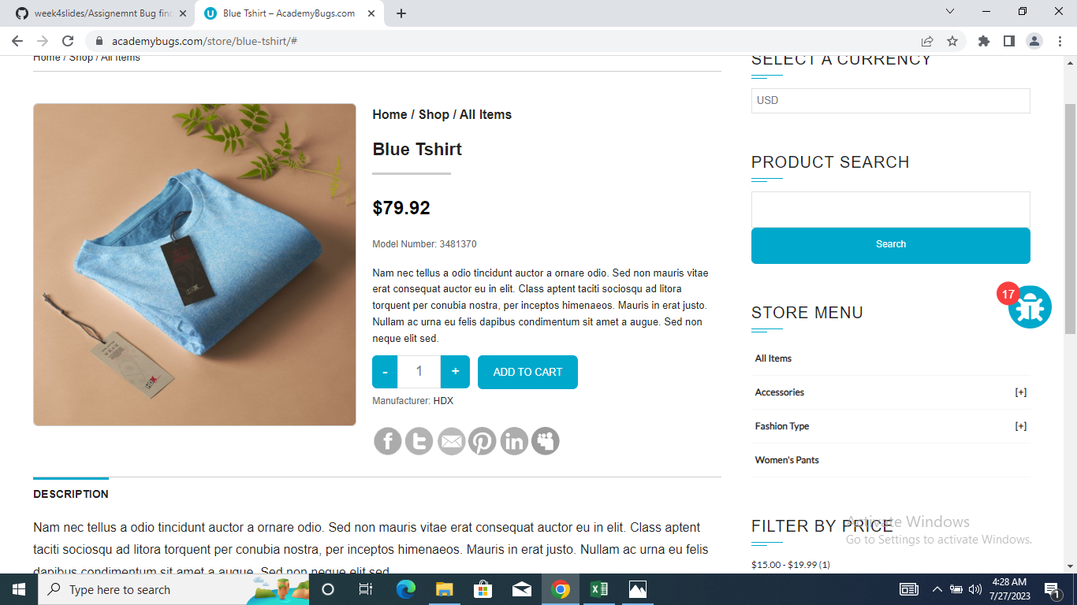
10 | Open https://academybugs.com Click the Find Bugs link on the navigation bar Open a product Click the manufacturer link under the quantity |  | 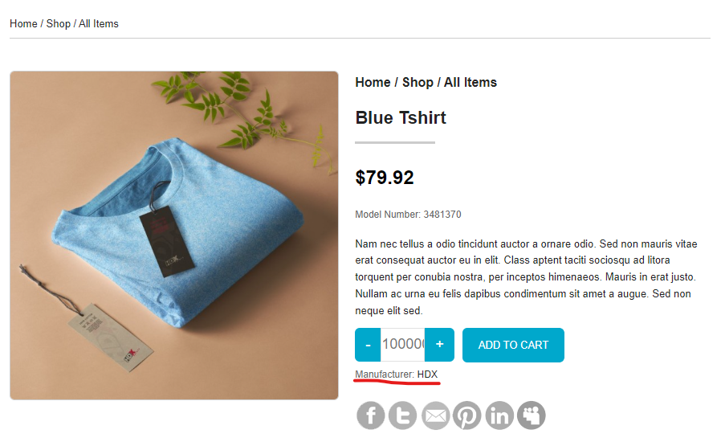
11 | Open https://academybugs.com Click the Find Bugs link on the navigation bar Open a product with color options Choose the Yellow and Orange colors |  | 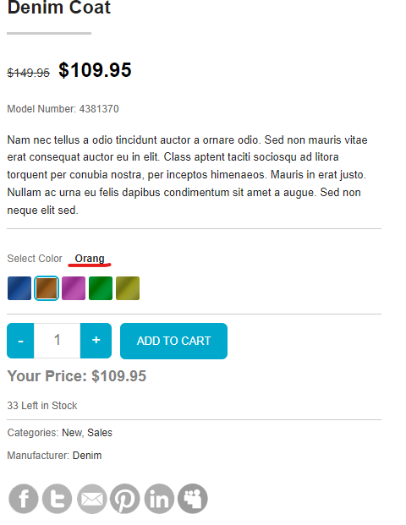
12 | Open https://academybugs.com Click the Find Bugs link on the navigation bar Open a product Find the Store Menu section in the right side menu Choose All Items |  | 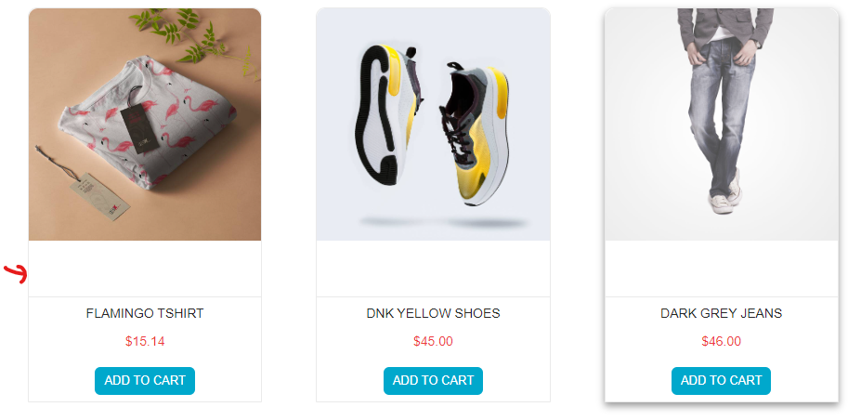
13 | Open https://academybugs.com Click the Find Bugs link on the navigation bar Open a product Click "Sign Up" at the bottom of right side menu Sign up with fake data if you are not signed up. Otherwise enter your credentials and log in At the bottom of the right side menu select Billing Information Fill out the billing information form Click "Update" |  | 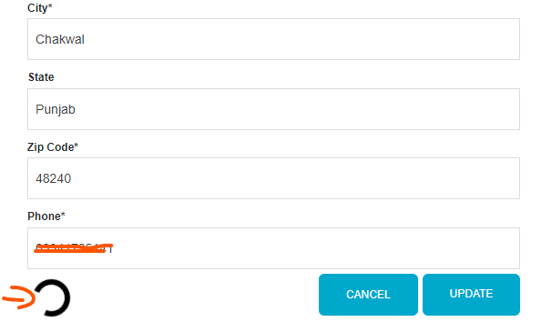
14 | Open https://academybugs.com Click the Find Bugs link on the navigation bar Open a product Sign up if you are not signed up or log in at the bottom of right side menu At the bottom of the right side menu select Dashboard Scroll up to the Billing Address section
15 | Open https://academybugs.com Click the Find Bugs link on the navigation bar Open a product Scroll down to the bottom of the right side menu Click "Sign In" to open the sign in page |  | 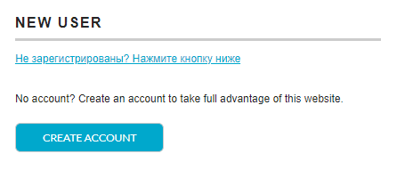
16 | Open https://academybugs.com Click the Find Bugs link on the navigation bar Open a product Scroll down to the bottom of the right side menu Click "Sign In" without filling the form to open the Sign In page |  | 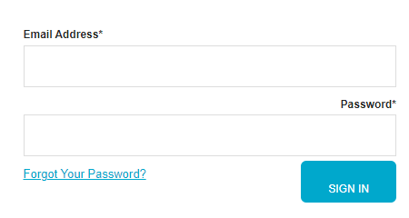
17 | Open https://academybugs.com Click the Find Bugs link on the navigation bar Open a product Scroll down to the Your Account section of the right side menu Click "Sign Up" In the Returning Customer section click "Forgot Your Password?" Enter your email in the field and click "Retrieve Password" |  | 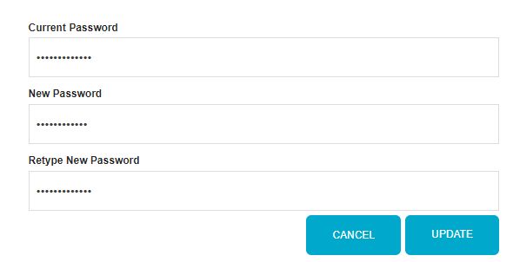
18 | Open https://academybugs.com Click the Find Bugs link on the navigation bar Open a product Click the My Space share link |  | 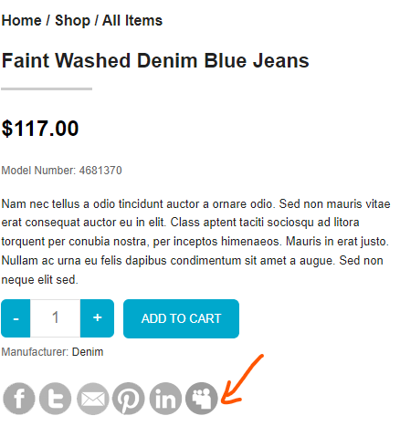
19 | Action Performed Open https://academybugs.com Click the Find Bugs link on the navigation bar Open a product Sign up if you are not signed up or log in at the bottom of right side menu At the bottom of the right side menu select Order History |  | 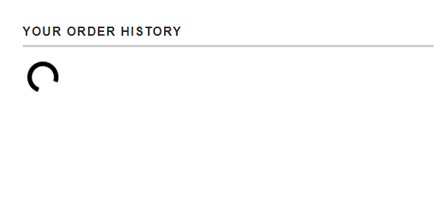
20 | Open https://academybugs.com Click the Find Bugs link on the navigation bar Open a product that has color options Choose the pink or green color Increase the product quantity by 1 or more |  | 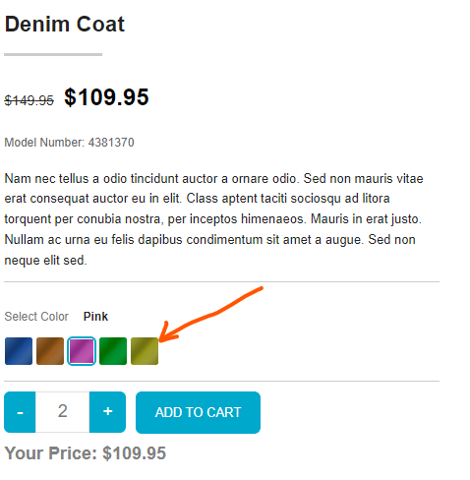
21 | Open https://academybugs.com Click the Find Bugs link on the navigation bar Open a product Open the cart at the bottom of right side menu Clear the cart if there are any items | 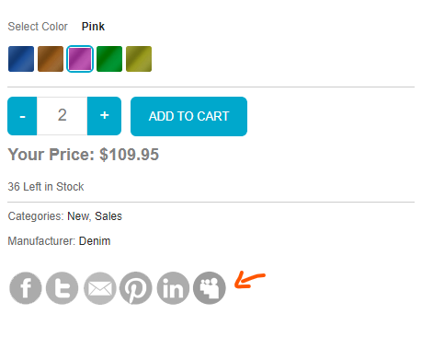
22 | Open https://academybugs.com Click the Find Bugs link on the navigation bar Add one or more products to the cart Click the "View cart" link on top of the page, or click "Continue to Shipping" in the checkout details page |  | 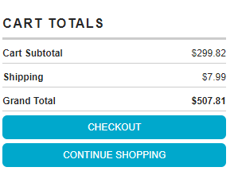
23 | Not Executed in this test envirnoment. |  | Not Executed in this test envirnoment.
24 | Not Executed in this test envirnoment. |  | Not Executed in this test envirnoment.
25 | Not Executed in this test envirnoment. |  | Not Executed in this test envirnoment.

